eAppnaAdda
Action Item | Screen | Status | Comments
Sutram Solution Pvt Ltd Logo |  | Partial Completed | Need to revisit this logo
Logo and backgroud | 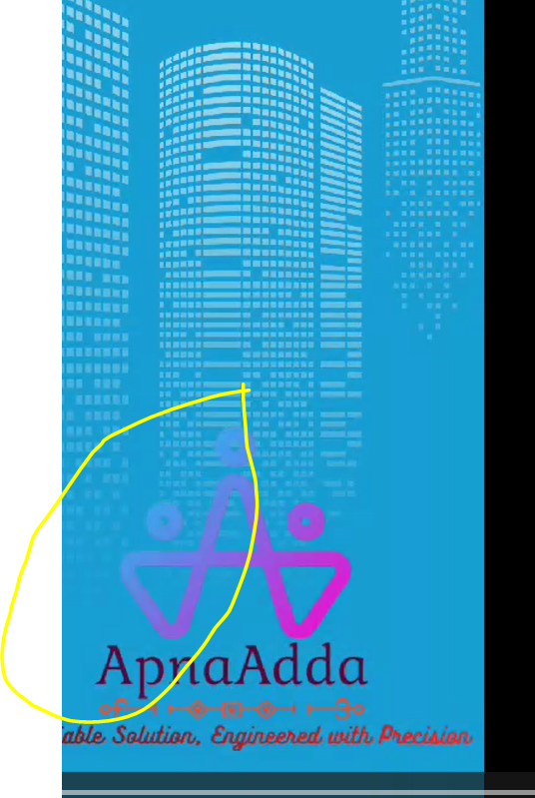 | Partial Completed | The logo is not visble properly with the backgrod , need re-work
eAppnaAdd Logo | 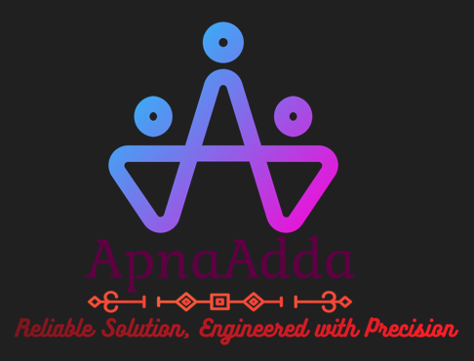 | Partial Completed | Need to create App loading Spinner with the logo | We need small icons that will display before loading of items | https://www.youtube.com/watch?v=U5iUc8U3coI
Brochure |  | Completed
Run Book |  | Not Started | Need to create user run book with App screen shots
Youtube Video |  | Not Started | Need to create a 60 mins promotional Youtube Video

eVidyalayaConnect
eVidyalayaConnect - Logo | 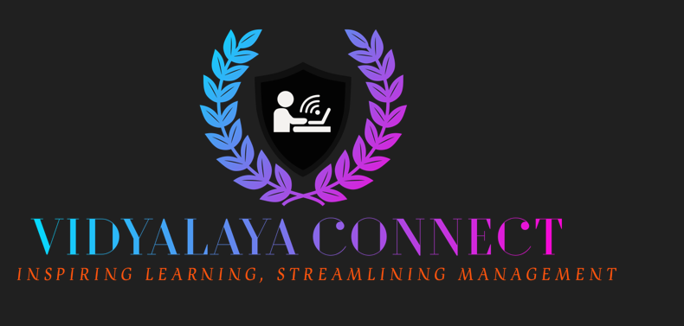 | Completed | Need to create App loading Spinner with the logo
Brochure |  | Not Started
Youtube Video |  | Not Started | Need to create a 60 mins promotional Youtube Video

